Sheet1
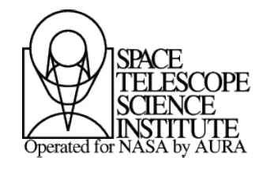 |  | CONSENT AND RELEASE FORM | 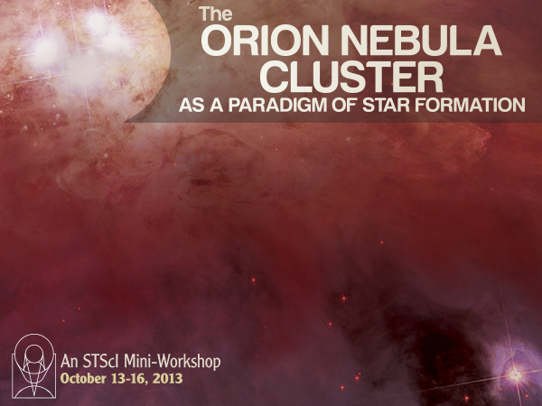
 |  | For Speakers and Presenters
 |  | at STScI Events

Event: | The Orion Nebula Cluster as a Paradigm of Star Formation
Date(s): | October 13-16, 2013
Place: | Space Telescope Science Institute

I am a presenter/speaker for the above event. I understand the lecture(s) will be recorded for the purpose of being used and distributed in various formats by the Space Telescope Science Institute for educational purposes, including, but not limited to the classroom, television, the Internet, and any other communications medium currently existing or later created.

I give my permission and authorize the Space Telescope Science Institute, to videotape, audiotape, photograph, record, edit or otherwise reproduce my presentation, and to use it in the formats and for the purposes stated above. My permission may be withdrawn at any time upon my written notice to the Space Telescope Science Institute. Within 30 days of my request, my audio and/or video webcast will be removed from access.

I agree to indemnify and hold harmless the Association of Universities for Research in Astronomy, Inc. (AURA, Inc.) operating the Space Telescope Science Institute, their employees and representatives against any and all claims arising out of my presentation, including, but not limited to, claims of copyright infringement, defamation, and misrepresentation. I declare I have read the above, fully understand its meaning and effect, and agree to be bound by it.

Signed: |  |  | Date:
Name (please print):
Institution:
Address:
Address:
City/State/Zip:
Phone:
Email:

Space Telescope Science Institute • 3700 San Martin Drive • Baltimore, MD 21218
Event Coordinator: Sherita Hanna Tel: 410-338-5079 • Fax: 410-338-4976

